% memory with rating
Percentage Recalled
Total no. of images rated 1 | 73
Total no. of images rated 2 | 74
Total no. of images rated 3 | 69
Total no. of images rated 4 | 69

 | 1 | 2 | 3 | 4
forgotten | 12 | 22 | 20 | 12
familiar | 20 | 15 | 9 | 14
remembered | 41 | 37 | 40 | 43

Memory_type | intensity_1 | intensity_2 | intensity_3 | intensity_4
forgotten | 0.1643835616 | 0.2972972973 | 0.2898550725 | 0.1739130435
familiar | 0.2739726027 | 0.2027027027 | 0.1304347826 | 0.2028985507
remembered | 0.5616438356 | 0.5 | 0.5797101449 | 0.6231884058

Memory_type | intensity_1 | intensity_2 | intensity_3 | intensity_4
forgotten | 16.43835616 | 29.72972973 | 28.98550725 | 17.39130435
familiar | 27.39726027 | 20.27027027 | 13.04347826 | 20.28985507
remembered | 56.16438356 | 50 | 57.97101449 | 62.31884058
 | 100 | 100 | 100 | 100

Memory_type | % forgotten | % familiar | % remembered
Rated '1' | 16.438356164 | 27.397260274 | 56.164383562
Rated '2' | 29.72972973 | 20.27027027 | 50
Rated '3' | 28.985507246 | 13.043478261 | 57.971014493
Rated '4' | 17.391304348 | 20.289855072 | 62.31884058

% memory with valence and arous
Total no. of images rated 1 | 73
Total no. of images rated 2 | 74
Total no. of images rated 3 | 69
Total no. of images rated 4 | 69
Percentage Recalled with Subjective Emotional Intensity and Rating of Memory Performance
 | 1 | 2 | 3 | 4
forgotten | 12 | 22 | 20 | 12
familiar | 20 | 15 | 9 | 14
remembered | 41 | 37 | 40 | 43

Memory_type | intensity_1 | intensity_2 | intensity_3 | intensity_4
forgotten | 0.1643835616 | 0.2972972973 | 0.2898550725 | 0.1739130435
familiar | 0.2739726027 | 0.2027027027 | 0.1304347826 | 0.2028985507
remembered | 0.5616438356 | 0.5 | 0.5797101449 | 0.6231884058

Memory_type | intensity_1 | intensity_2 | intensity_3 | intensity_4
forgotten | 16.43835616 | 29.72972973 | 28.98550725 | 17.39130435
familiar | 27.39726027 | 20.27027027 | 13.04347826 | 20.28985507
remembered | 56.16438356 | 50 | 57.97101449 | 62.31884058
 | 100 | 100 | 100 | 100

Memory_type | % forgotten | % familiar | % remembered
Rated '1' | 16.438356164 | 27.397260274 | 56.164383562
Rated '2' | 29.72972973 | 20.27027027 | 50
Rated '3' | 28.985507246 | 13.043478261 | 57.971014493
Rated '4' | 17.391304348 | 20.289855072 | 62.31884058

ANOVA
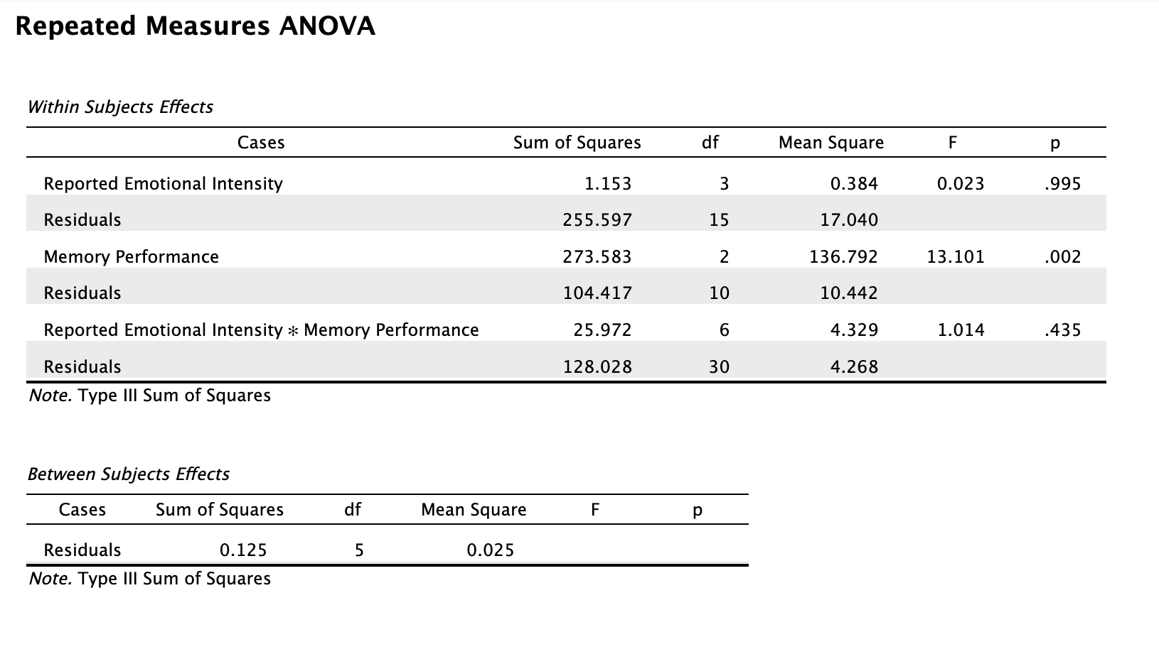
int1_forgot | int1_familiar | int1_remember | int2_forgot | int2_familiar | int2_remember | int3_forgot | int3_familiar | int3_remember | int4_forgot | int4_familiar | int4_remember
12 | 20 | 41 | 22 | 15 | 37 | 20 | 9 | 37 | 12 | 14 | 43

Participant | int1_forgot | int1_familiar | int1_remember | int2_forgot | int2_familiar | int2_remember | int3_forgot | int3_familiar | int3_remember | int4_forgot | int4_familiar | int4_remember
P1 | 0 | 4 | 6 | 1 | 0 | 8 | 3 | 2 | 12 | 1 | 2 | 8
P2 | 1 | 1 | 5 | 8 | 6 | 7 | 3 | 0 | 7 | 1 | 1 | 7
P3 | 2 | 1 | 4 | 3 | 3 | 7 | 7 | 4 | 7 | 1 | 2 | 7
P4 | 4 | 11 | 9 | 2 | 4 | 4 | 1 | 1 | 3 | 2 | 4 | 3
P5 | 0 | 0 | 5 | 2 | 1 | 3 | 3 | 0 | 10 | 4 | 3 | 16
P6 | 5 | 3 | 12 | 6 | 1 | 8 | 3 | 2 | 1 | 3 | 2 | 2

Paired t-test
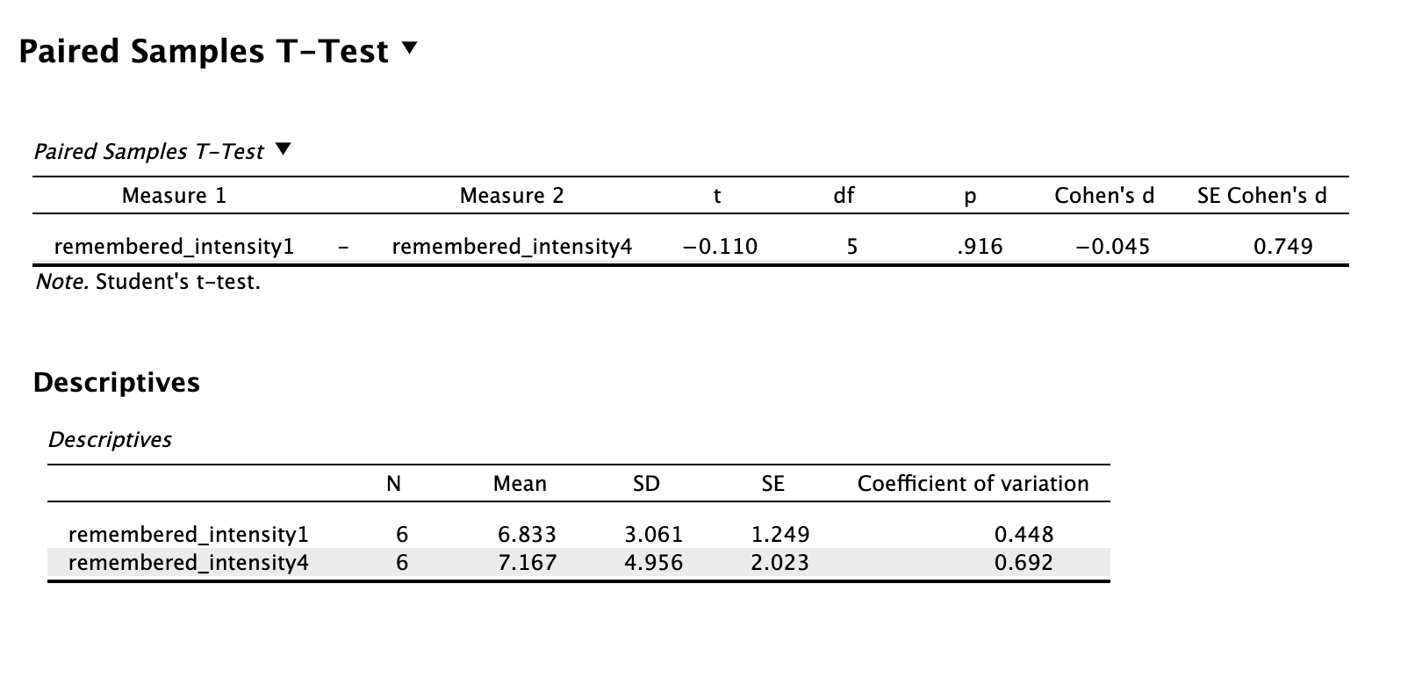
Participant | remembered_intensity1 | remembered_intensity4
P1 | 6 | 8
P2 | 5 | 7
P3 | 4 | 7
P4 | 9 | 3
P5 | 5 | 16
P6 | 12 | 2

